Cover Sheet


AFDO Food Retailer
Large Brands Survey

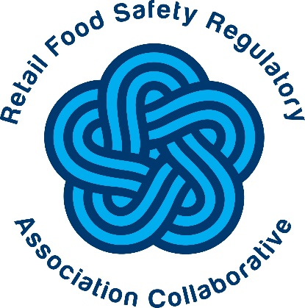

Survey Responses (Deidentified)

About this spreadsheet:
This spreadsheet contains the deidentified responses to the AFDO Food Retail Large Brands Survey. The purpose of this survey was to investigate current restaurant, grocery, and convenience store practices in the United States in Active Managerial Control (AMC) of foodborne illness risk factors with the ultimate objective of increasing the number of food establishments that have well developed and implemented Food Safety Management Systems (FSMS).
The survey was circulated between November 1 and December 31, 2021 to food retailer large brands in the restaurant, grocery store, and convience store sectors.
This research was conducted as part of the Retail Food Safety Regulatory Association Collaborative and was supported by the FDA and U.S. Department of Health and Human Services (HHS) as part of a financial assistance award (Federal Award Identification U18FD007051) totaling $1,000,000.
If you have questions about this research, please contact afdo@afdo.org.

Table of Contents:
To view the survey resuls, click on the tabs at the bottom of the spreadsheet.
Green Tab:
Installment 1: FSC + Employee Health
Blue Tab:
Installment 1: AMC + FSMS

Learn more about these survey results in these published articles:

Current States of Food Safety Culture and Food Safety Management Systems in Food Establishments, Food Safety Magazine, April/May 2023.
Assessing Employee Health Policies and Practices in Foodservice Establishments, Food Protection Trends, 44(4), pp. 260-272, Jul 2024.

https://www.foodprotection.org/publications/food-protection-trends/archive/2024-07-assessing-employee-health-policies-and-practices-in-foodservice-establishments/
https://digitaledition.food-safety.com/april-may-2023/feature-cover-story/

